Datailed Inquiry Information
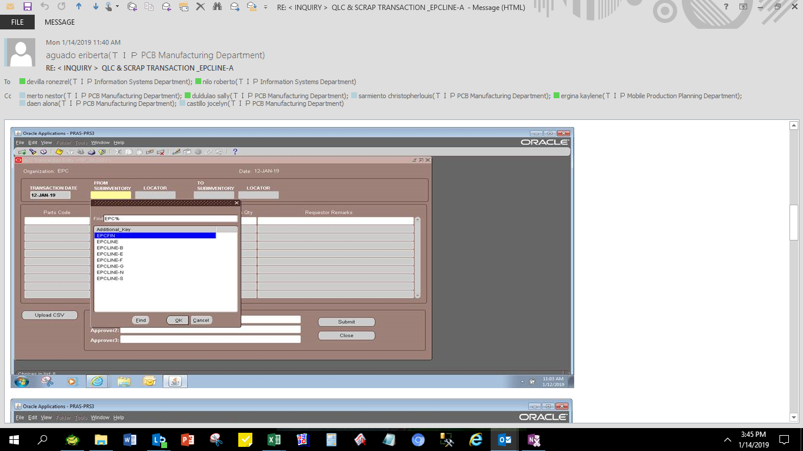

Detailed Investigation Result
Detailed Investigation Result

 | select *
 | from APPS.XXMFG_TRANSFER_SUBINVENTORY
 | where TABLE_NAME = 'TIP_LINE_QLC_TRANS' and FIELD_NAME = 'LINE_TRANSFER_QLC'
 | and additional_key like 'EPCLINE%'
NO EPCLINE-A SETUP

 | ORGANIZATION_ID | TABLE_NAME | FIELD_NAME | ADDITIONAL_KEY | DEFAULT_VALUE | CREATED_BY | CREATION_DATE | LAST_UPDATED_BY | LAST_UPDATE_DATE
 | 124 | TIP_LINE_QLC_TRANS | LINE_TRANSFER_QLC | EPCLINE | EPCQLC | -1 | 2014-08-04 | -1 | 2014-10-12
 | 124 | TIP_LINE_QLC_TRANS | LINE_TRANSFER_QLC | EPCLINE-B | EPCQLC | -1 | 3/12/15 | -1 | 3/12/15
 | 124 | TIP_LINE_QLC_TRANS | LINE_TRANSFER_QLC | EPCLINE-E | EPCQLC | -1 | 2014-08-13 | -1 | 2014-10-12
 | 124 | TIP_LINE_QLC_TRANS | LINE_TRANSFER_QLC | EPCLINE-F | EPCQLC | -1 | 2015-04-24 | -1 | 2015-04-24
 | 124 | TIP_LINE_QLC_TRANS | LINE_TRANSFER_QLC | EPCLINE-G | EPCQLC | -1 | 2014-08-04 | -1 | 2014-10-12
 | 124 | TIP_LINE_QLC_TRANS | LINE_TRANSFER_QLC | EPCLINE-N | EPCQLC | -1 | 2014-08-04 | -1 | 2014-10-12
 | 124 | TIP_LINE_QLC_TRANS | LINE_TRANSFER_QLC | EPCLINE-S | EPCQLC | -1 | 2014-08-04 | -1 | 2014-10-12

Actual Operation Evidence
Actual Operation Evidence

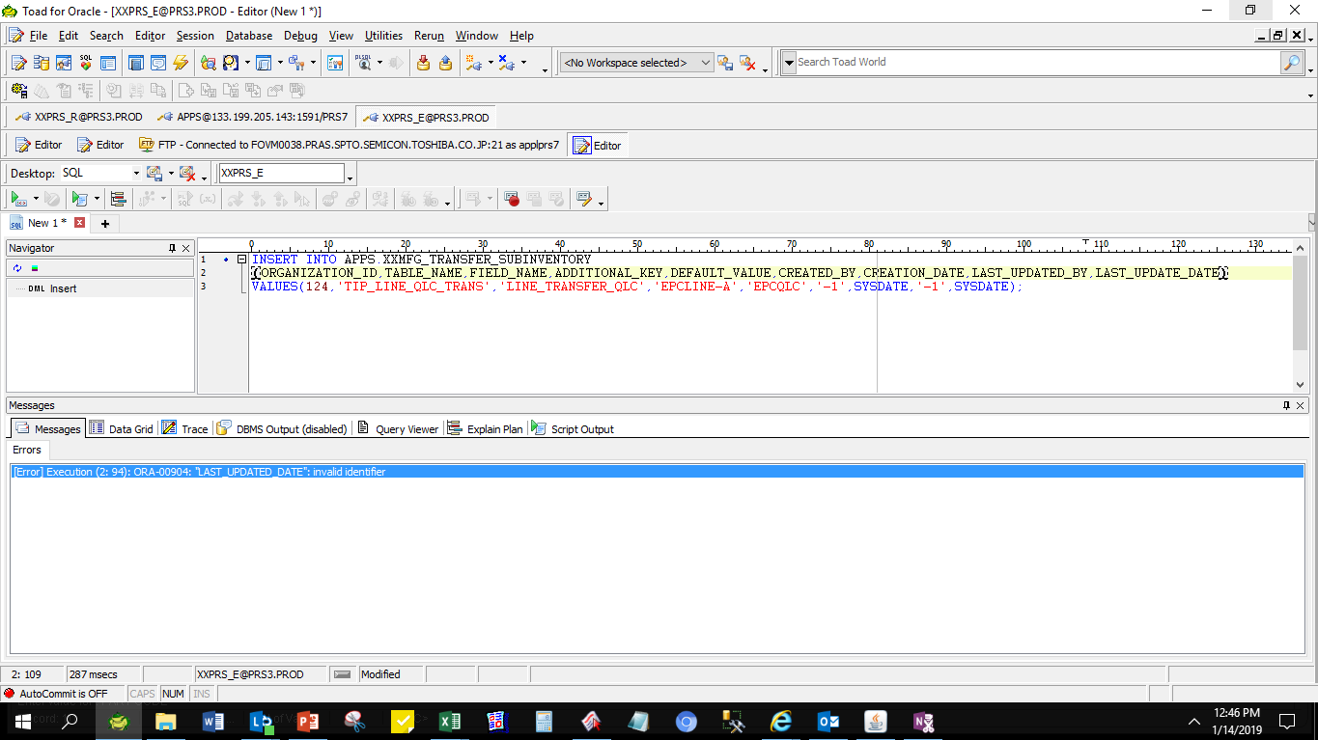

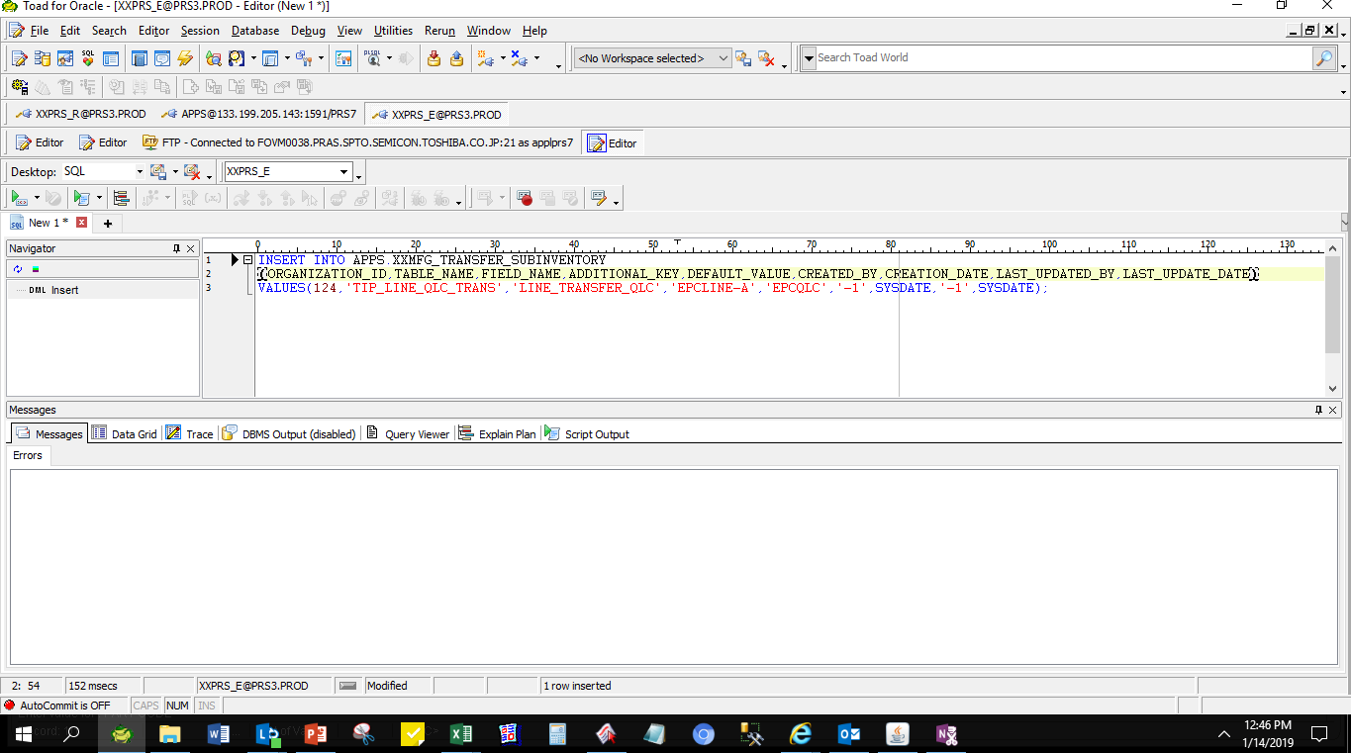

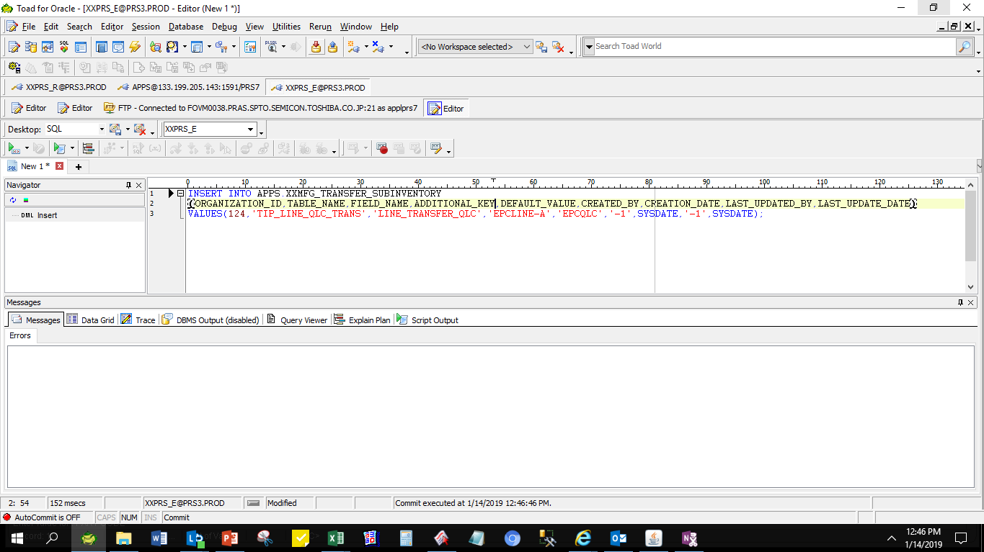

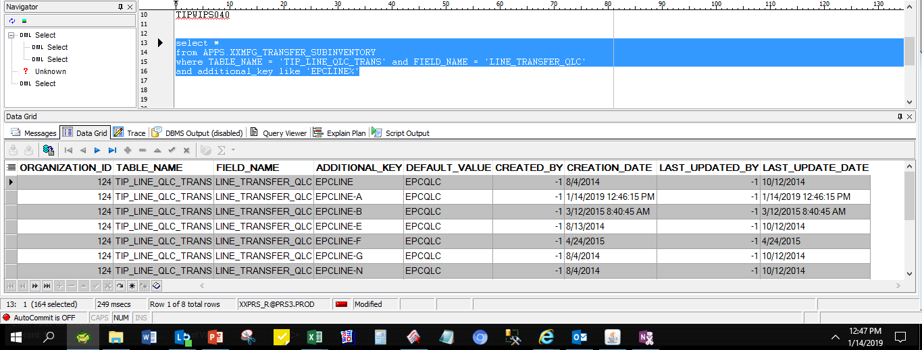

 | ORGANIZATION_ID | TABLE_NAME | FIELD_NAME | ADDITIONAL_KEY | DEFAULT_VALUE | CREATED_BY | CREATION_DATE | LAST_UPDATED_BY | LAST_UPDATE_DATE
 | 124 | TIP_LINE_QLC_TRANS | LINE_TRANSFER_QLC | EPCLINE | EPCQLC | -1 | 8/4/2014 | -1 | 10/12/2014
 | 124 | TIP_LINE_QLC_TRANS | LINE_TRANSFER_QLC | EPCLINE-A | EPCQLC | -1 | 1/14/2019 12:46:15 PM | -1 | 1/14/2019 12:46:15 PM
 | 124 | TIP_LINE_QLC_TRANS | LINE_TRANSFER_QLC | EPCLINE-B | EPCQLC | -1 | 3/12/2015 8:40:45 AM | -1 | 3/12/2015 8:40:45 AM
 | 124 | TIP_LINE_QLC_TRANS | LINE_TRANSFER_QLC | EPCLINE-E | EPCQLC | -1 | 8/13/2014 | -1 | 10/12/2014
 | 124 | TIP_LINE_QLC_TRANS | LINE_TRANSFER_QLC | EPCLINE-F | EPCQLC | -1 | 4/24/2015 | -1 | 4/24/2015
 | 124 | TIP_LINE_QLC_TRANS | LINE_TRANSFER_QLC | EPCLINE-G | EPCQLC | -1 | 8/4/2014 | -1 | 10/12/2014
 | 124 | TIP_LINE_QLC_TRANS | LINE_TRANSFER_QLC | EPCLINE-N | EPCQLC | -1 | 8/4/2014 | -1 | 10/12/2014
 | 124 | TIP_LINE_QLC_TRANS | LINE_TRANSFER_QLC | EPCLINE-S | EPCQLC | -1 | 8/4/2014 | -1 | 10/12/2014

Helpdesk Request
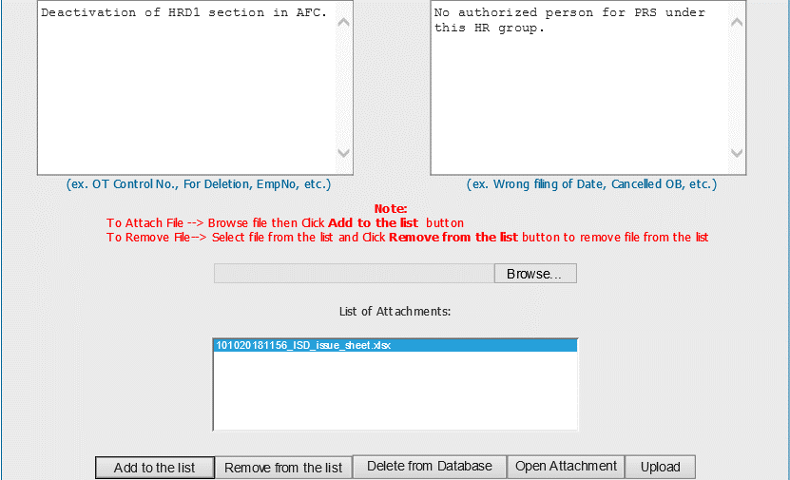
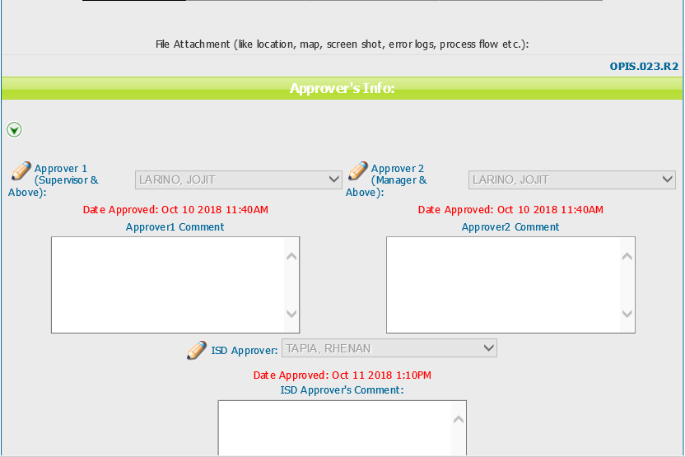
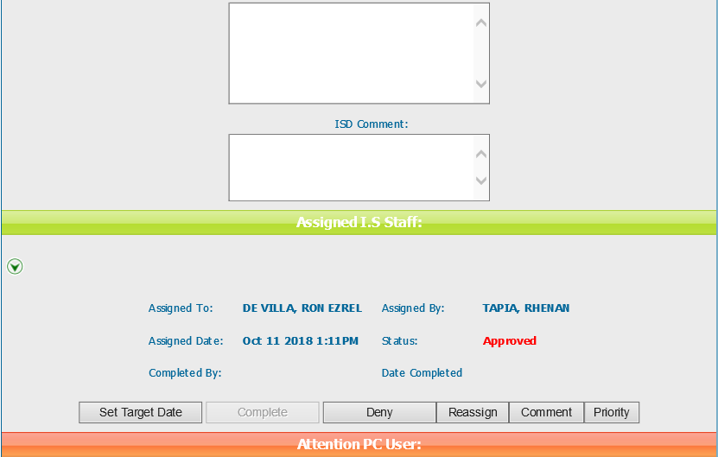
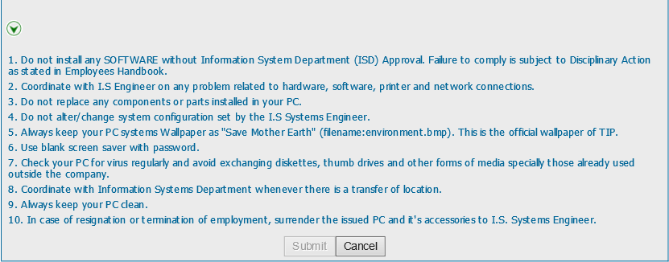
Helpdesk Request

 | ATTACH SCREENSHOT OF HELPDESK REQUEST.

